8
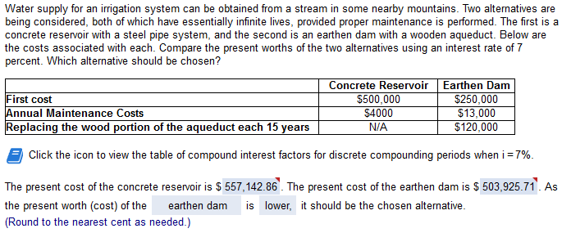

concrete: |  | P: | earth: |  | P: | N | 18
FC | 600,000 | 600,000 | fc | 250,000 | 250,000.00 | i= | 3 | 0.03
A | 1000 | 33333.333333 | A | 9,000 | 300,000.00
replace |  |  | repl | 100,000 | 142,362.32 | a/f: | 0.042708695896

 | pw: | 633,333.33 |  | pw: | 692,362.32

5
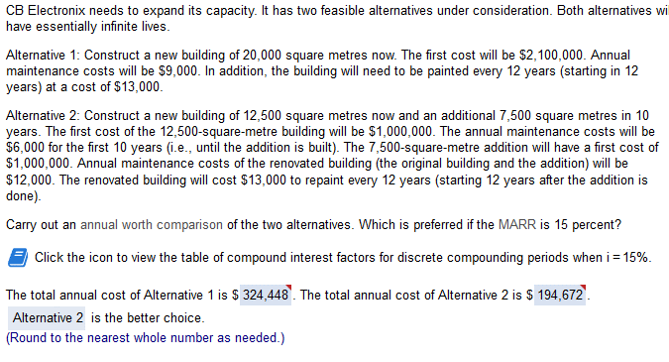

 |  |  |  |  |  | 2
1 |  |  | i | 14 | 0.14 | FC 1: | 1000000 | FC 2: | 1300000
FC: | 2,100,000 |  | N | 26 |  | AC1: | 6000 | AC2 @10: | 12000
AC: | 10000 |  |  | 15 |  | paint: | 17000
paint @12: | 17000

PW1 | 2169624.3044 | p/a | 6.9060766994 |  | PW2 | 1299649.5429 | p/a | 6.9060766994
 |  | p/f | 0.033149262082 |  |  |  | p/a2 | 6.1421679852
 |  |  |  |  |  |  | paint | 0.14009648207
0.1448000136 |  |  |  |  |  |  |  | 0.14009648207
A: | 314161.62879 |  |  |  | 188189.27149

